Dasboard
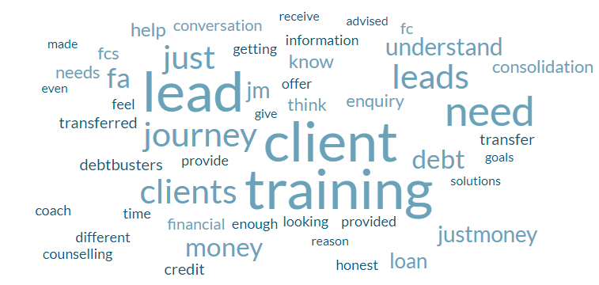
JUSTMONEY TO FINANCIAL CONSULTANT LEADS JOURNEY

Knowledge of JM LeadS
 | Total
Above average | 19.02%
Average | 67.48%
Below average | 13.50%
HOW LEADS ARE HANDLED
 | Total
Allowing more time for decision-making | 17.33%
Frequent follow-ups twice a week | 23.27%
Other | 7.43%
Providing additional information and resources | 51.98%
SUGGESTIONS
 | Total
Follow ups | 0.67%
Lead Transfer Process | 10.07%
N/A | 28.19%
Training Needs | 35.57%
Transparency to client info | 25.50%

CORRECT STATEMENT ABOUT THE JM LEAD JOURNEY
 | Total
During the initial consultation, the credit coach conducts a thorough review of the client’s credit report, discusses their financial goals, and explains how JustMoney’s services can help them achieve those goals. | 36.65%
I have no idea which statement is correct. | 6.21%
JustMoney generates leads through various channels, including digital campaigns, PR, and partnerships with financial websites. These leads are individuals seeking advice on managing and improving their credit scores. | 49.07%
When a lead is first generated, they receive an introductory call explaining how JustMoney can help them with their credit issues. | 8.07%
(blank) | 0.00%
ENOUGH TRAINING PROVIDED
 | Total
No | 46.67%
Yes | 53.33%
97% COMPLETION

REASONS LEADS TAKE LONG
 | Total
Afraid of being listed on the credit bureau | 46.10%
Comparing with other credit services | 13.64%
Need more information about the services | 18.18%
Other | 14.29%
Uncertainty about the benefits | 7.79%

